Cuboid
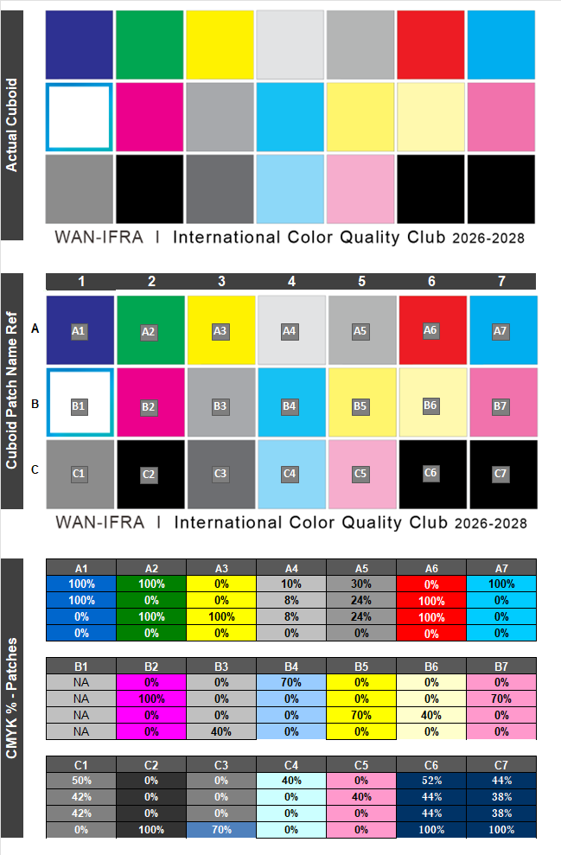

Spectro device Setting
Spectro photometer General setting (All devices) |  |  | Techkon spectro connect - Data Export setting

 | General Setting
 |  |  | Combined Measurement
 | Instrument setting :
 |  | ISO E or Status E, D50, 0/45 or 45/0 | CIE LAB +D (Density) Measurement
 |  |  | Polarization filter : AUTO
 | Measurement backing: |  | White Reference: AUTO
 |  | Black backing (mesuring)

 |  |  | Single Measurement - Density

 |  |  | Density Measurement Mode:
 |  |  | Polarization filter : ON (M3)
 |  |  | White Reference: Relative or Paper

 |  |  | Single Measurement - LAB

 |  |  | Colour measurement Mode:
 |  |  | Polarization filter: OFF
 |  |  | White Reference: Absolute

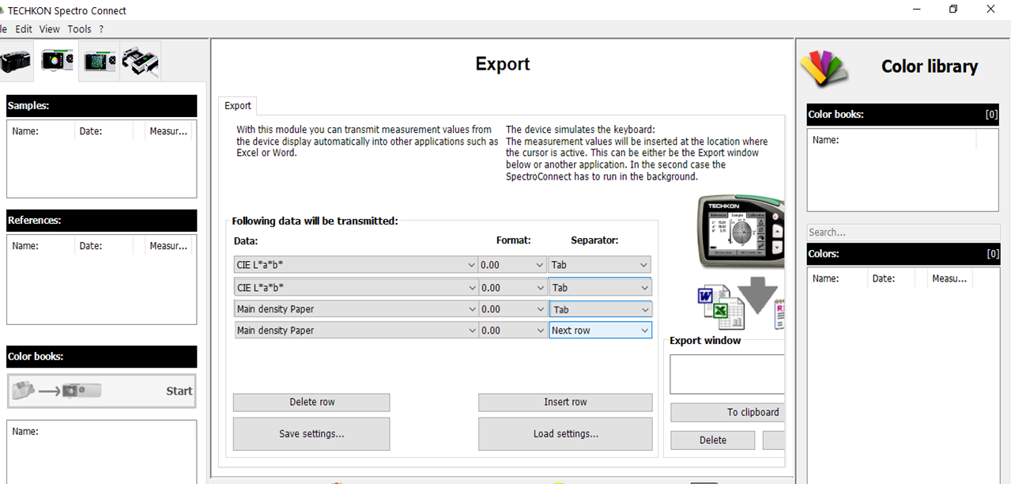

X-Rite Data catcher - Data Export setting

